Sheet1
Name of Educator | Vrushali Vaitage
Project title | HR_management System
Tasks listed in your Educator's template | Objectives listed in your educator's template | Outcomes | Screenshots of outputs
task 1 | Employee Management This task provides a structured approach to maintaining and updating employee records. | creating FE and BE for this | 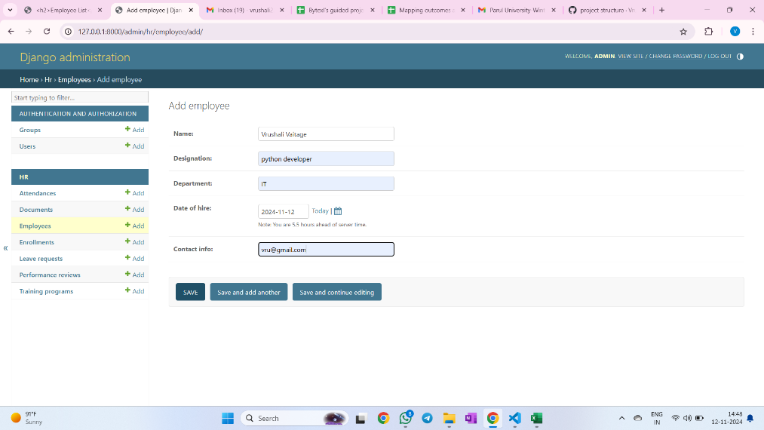 Admin panel (access will be for HR or manager) | 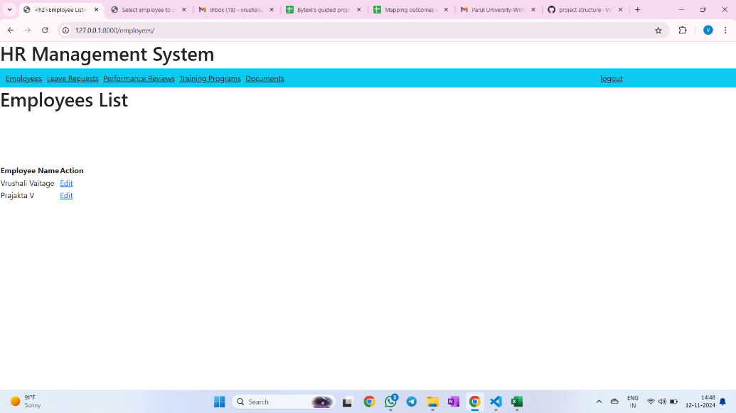 Front end (user interface for Employee) |  Backend (database)
task 2 | Leave Management This task allows employees to apply for leave and enables HR or managers to approve, reject, and track leave requests | 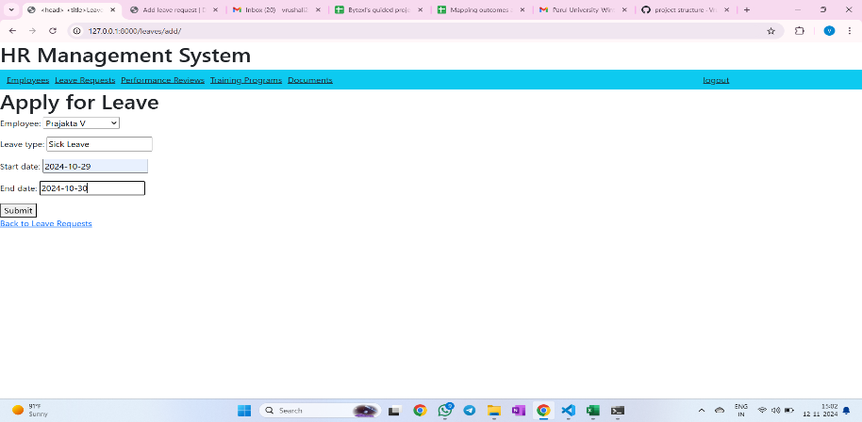 creating FE and BE for this |  | 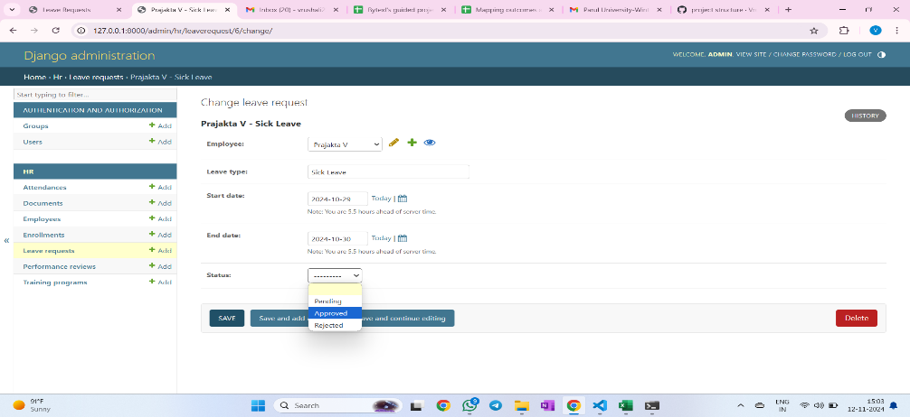 | 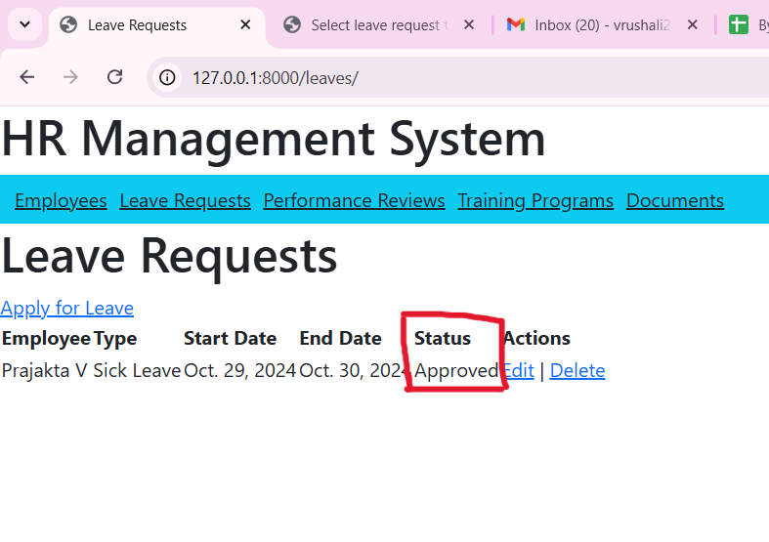
task 3 | Attendance Tracking The system enables logging and monitoring of daily attendance for all employees. | creating FE and BE for this | 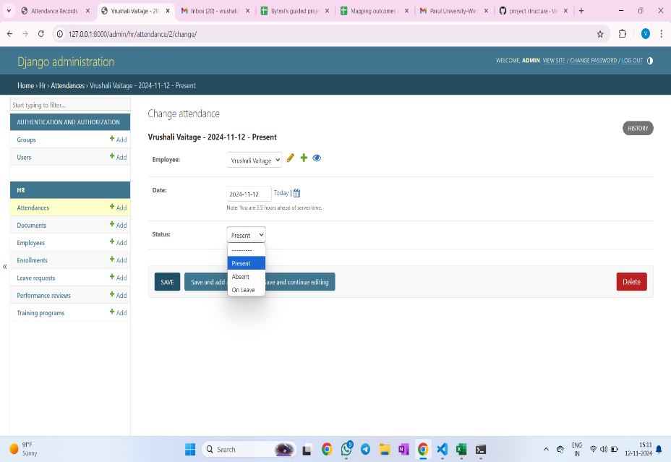 | 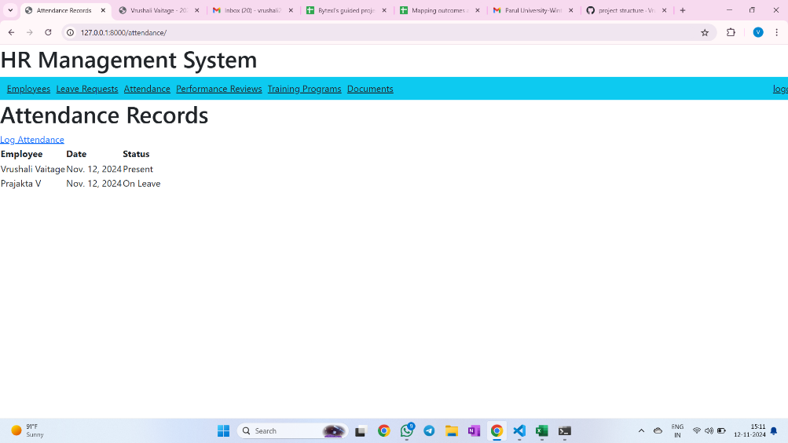 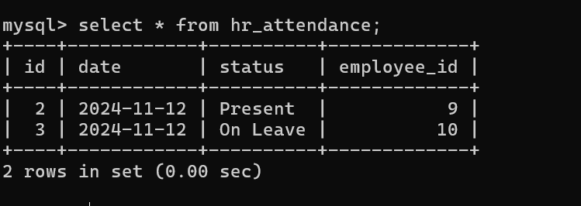
task 4 | Performance Reviews This task facilitates regular performance evaluations, allowing HR and managers to document and track employee performance. | 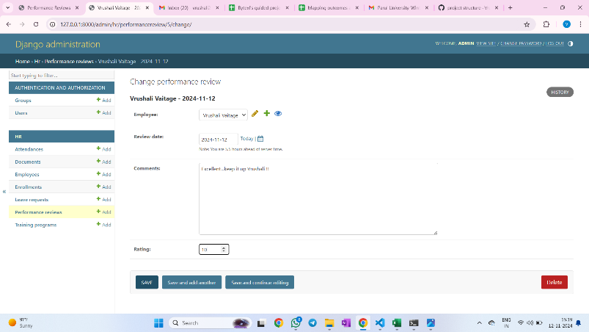 creating FE and BE for this |  | 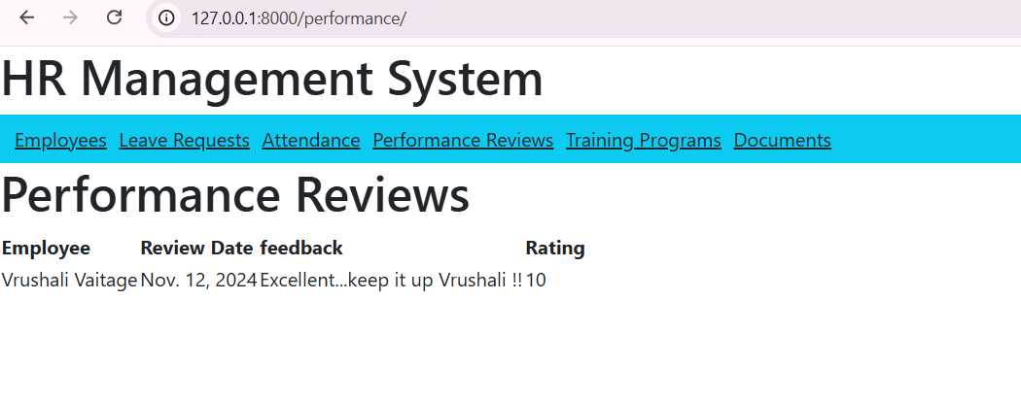
task 5 | Training and Development Management This task helps HR personnel manage employee training programs and track individual training progress. | creating FE and BE for this | 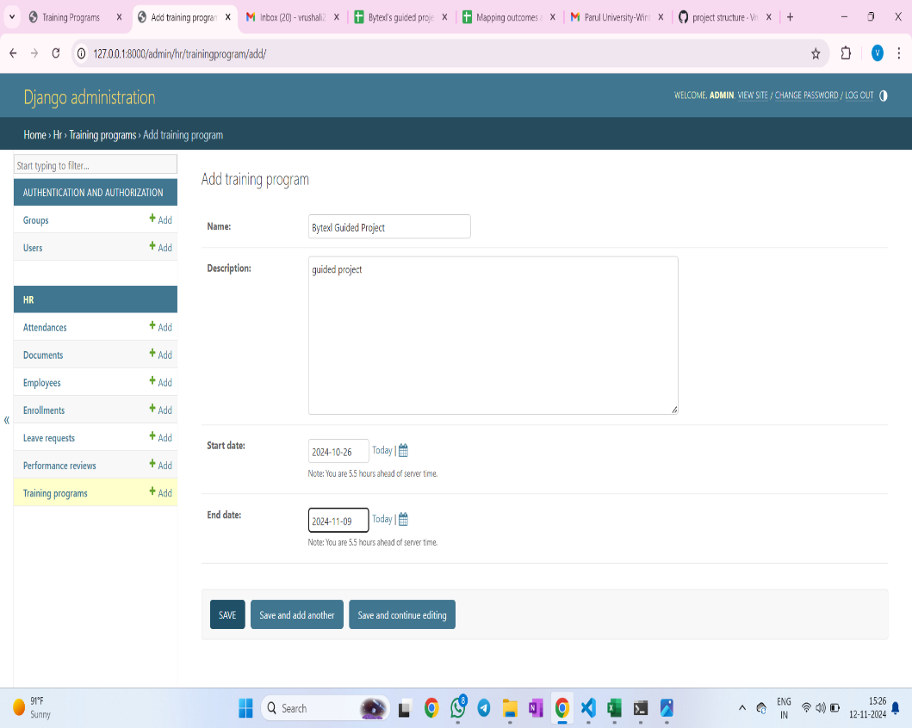 | 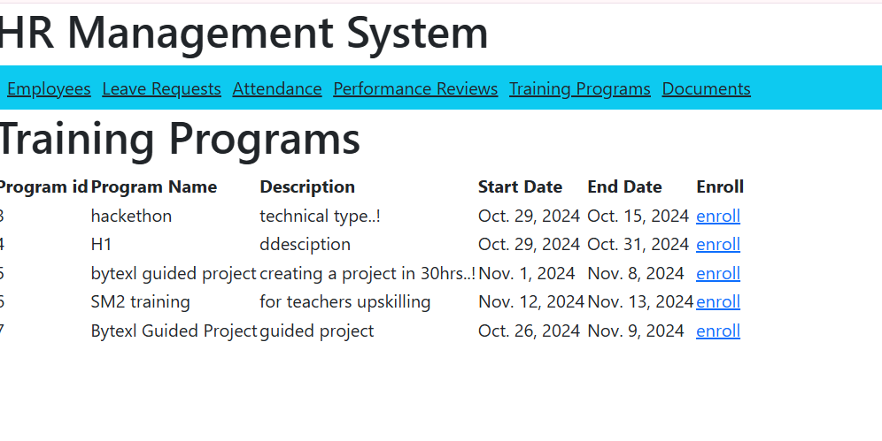 | 
task 6 | Document Management This task organizes and stores important employee documents, ensuring easy retrieval and secure storage. | creating FE and BE for this | 